Statistical Analysis (Rating on
Statistical Analysis (Rating on ease of use)
Dependent Variable: Rating on ease of use Null Hypothesis: µ1 = µ2 (There is no difference in the ratings on ease of use between Version A and Version B) Alternative Hypothesis: µ1 ≠ µ2 (There is a difference in the ratings on use of use between Version A and Version B)
T-Test two sample unequal variance | Version A | Version B
Mean ratings on ease of use | 4.0000 | 3.3000
Standard deviation of ratings on ease of use | 0.4714 | 0.8233
Two tail p-value | 0.0314

Histogram
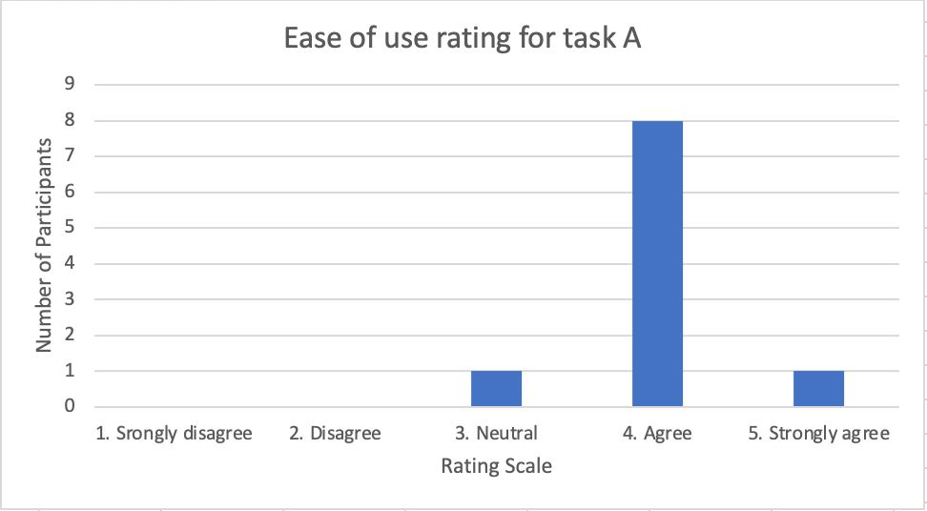
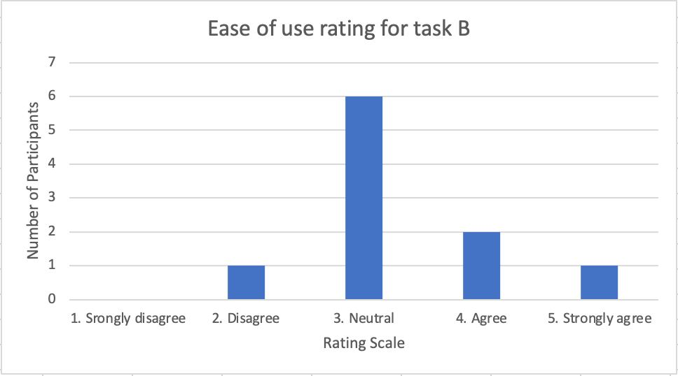

Total Sample Size |  | 20

Tools
Statistical Analysis Tool Used: Microsoft Excel's PHSTAT

Analysis Result (Two tail)
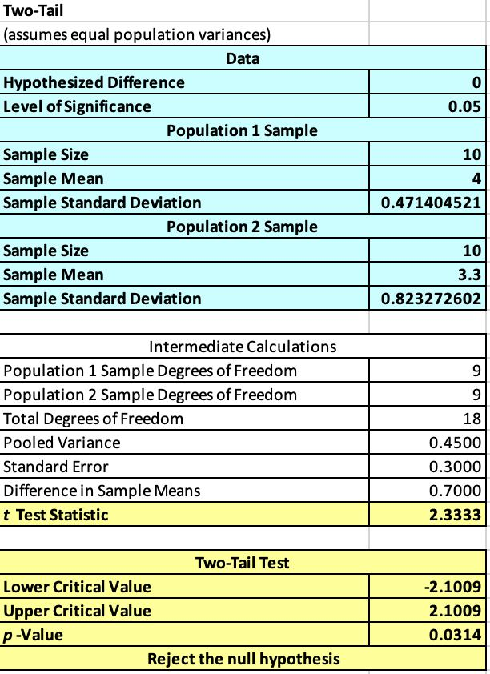

Interpretation of Statistical Analysis
We conducted a test of 10 participants for each version and the histograms plotted suggest that more participants rated Version A easier to use as compared to Version B. To determine whether the difference between the ratings for Version A and Version B is statistically significant, we decided to use Microsoft Excel's PHSTAT to perform Welch Two Sample T-test with unequal variances. We chose Welch Two Sample T-test based on these 2 reason. These reasons refer to the data collected for both versions are normally distributed and we conducted between-subjects experiment. We performed the Welch Two Sample T-test at a 5% significance level to conclude whether the rating on ease of use for Version A will be significantly different from Version B. On this note, we determined our null hypothesis and alternative hypothesis as follows: H0: µ1 = µ2 (There is no difference in the rating on ease of use between Version A and Version B) H1: µ1 ≠ µ2 (There is a difference in the rating on ease of use between Version A and Version B) Since the p-value of the performed test is 0.0314 which is less than 0.05, there is sufficient evidence at 5% significance level to reject the null hypothesis. Next, we would like to examine whether the ratings are statistically significant by conducting a lower tail t-test between both versions.

Statistical Analysis (Rating on ease of use)
Dependent Variable: Rating on ease of use Null Hypothesis: µ1 > µ2 (Ratings on ease of use for Version A are better than the ratings on ease of use for Version B) Alternative Hypothesis: µ1 < µ2 (Ratings on ease of use for Version A are worse than the ratings on ease of use for Version B)
T-Test two sample unequal variance | Version A | Version B
Mean ratings on ease of use | 4.0000 | 3.3000
Standard deviation of ratings on ease of use | 0.4714 | 0.8233
Lower tail p-value | 0.9843

Analysis Result (Lower tail)
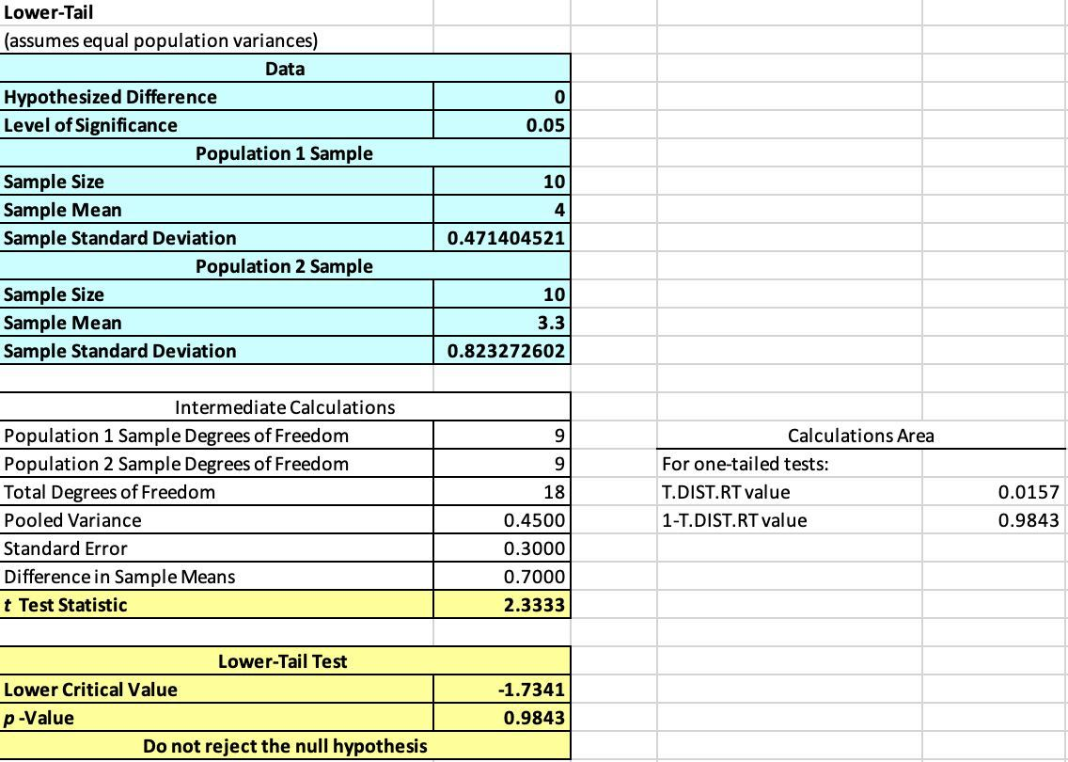

Interpretation of Statistical Analysis
We performed the Welch Two Sample T-test again at a 5% significance level to conclude whether the ratings on ease of use for Version A are significantly greater than the ratings on ease of use for Version B. On this note, we determined our null hypothesis and alternative hypothesis as follows: H0: µ1 > µ2 (Ratings on ease of use for Version A are better than the ratings on ease of use for Version B) H1: µ1 < µ2 (Ratings on ease of use for Version A are worse than the ratings on ease of use for Version B) Since the p-value of the performed test is 0.9843 which is more than 0.05, there is insufficient evidence at 5% significance level to reject the null hypothesis. Hence, we conclude at 5% significance level that ratings on ease of use for Version A are better than the ratings on ease of use for Version B.

